Data Plot
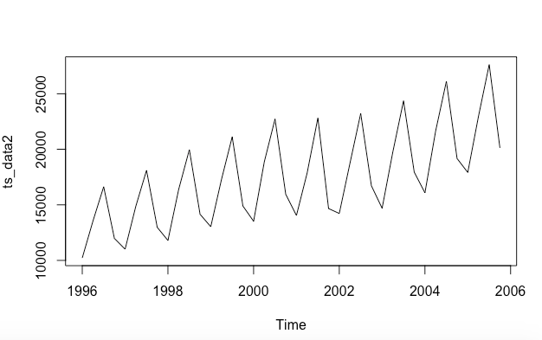
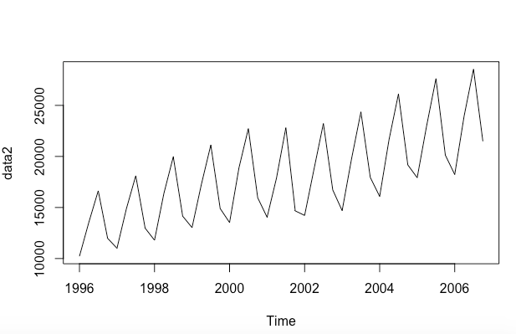
Original Data Plot | Predicted Data Plot

Next 4 Qtrs Forecasting
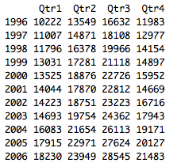
Year | Qrt1 | Qrt2 | Qrt3 | Qrt4
1996 | 10222 | 13549 | 16632 | 11983 | Original Data
1997 | 11007 | 14871 | 18108 | 12977 | Original Data
1998 | 11796 | 16378 | 19966 | 14154 | Original Data
1999 | 13031 | 17281 | 21118 | 14897 | Original Data
2000 | 13525 | 18876 | 22726 | 15952 | Original Data
2001 | 14044 | 17870 | 22812 | 14669 | Original Data
2002 | 14223 | 18751 | 23223 | 16716 | Original Data
2003 | 14693 | 19754 | 24362 | 17943 | Original Data
2004 | 16083 | 21654 | 26113 | 19171 | Original Data
2005 | 17915 | 22971 | 27624 | 20127 | Original Data
2006 | 18230 | 23949 | 28545 | 21483 | Predicted Value

